Sheet1
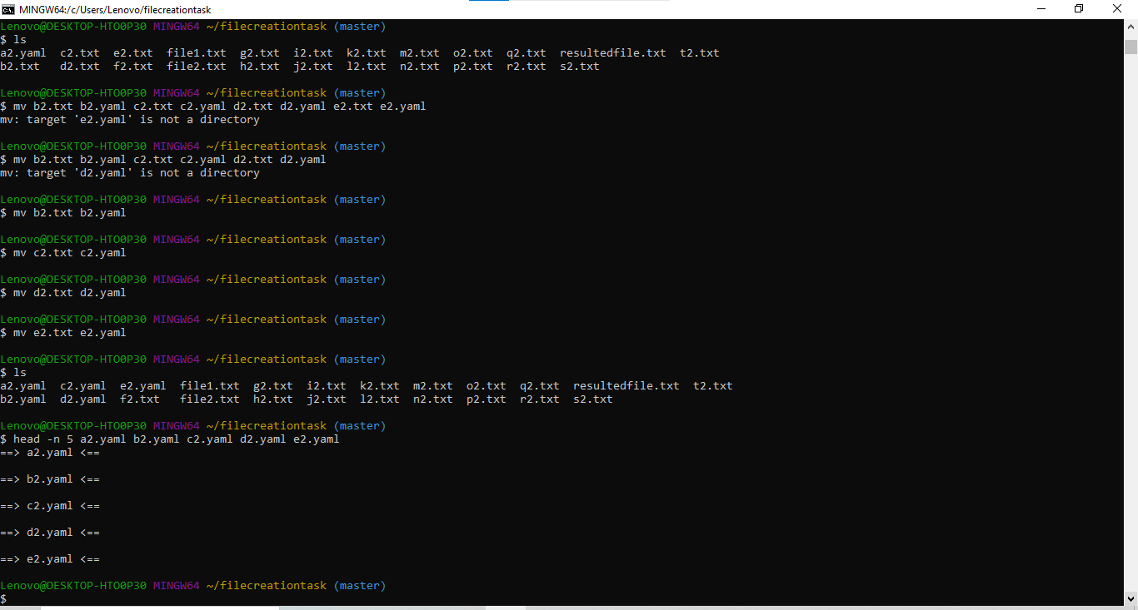
File CreationTask
Task01:
Concatenation file format
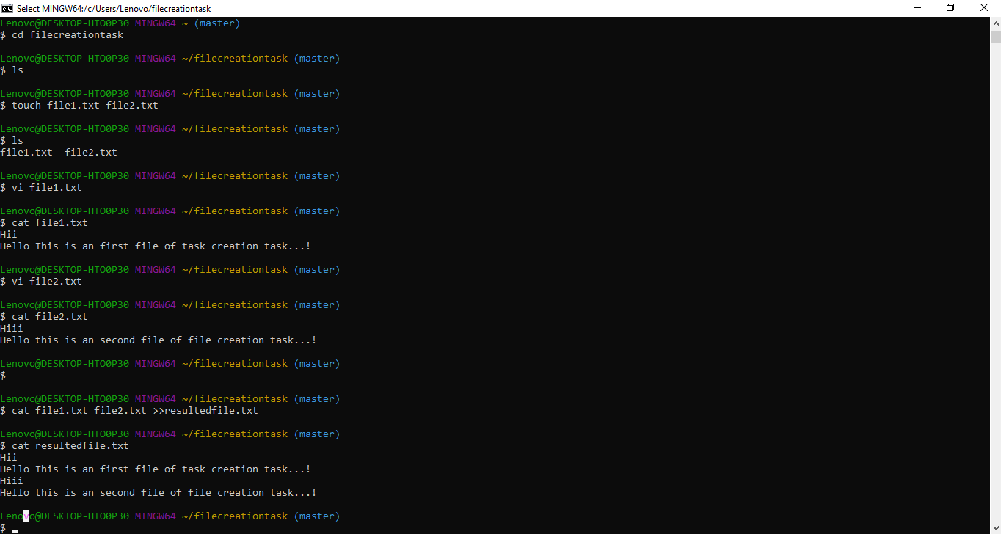

Task :02
Renamed First 5 files
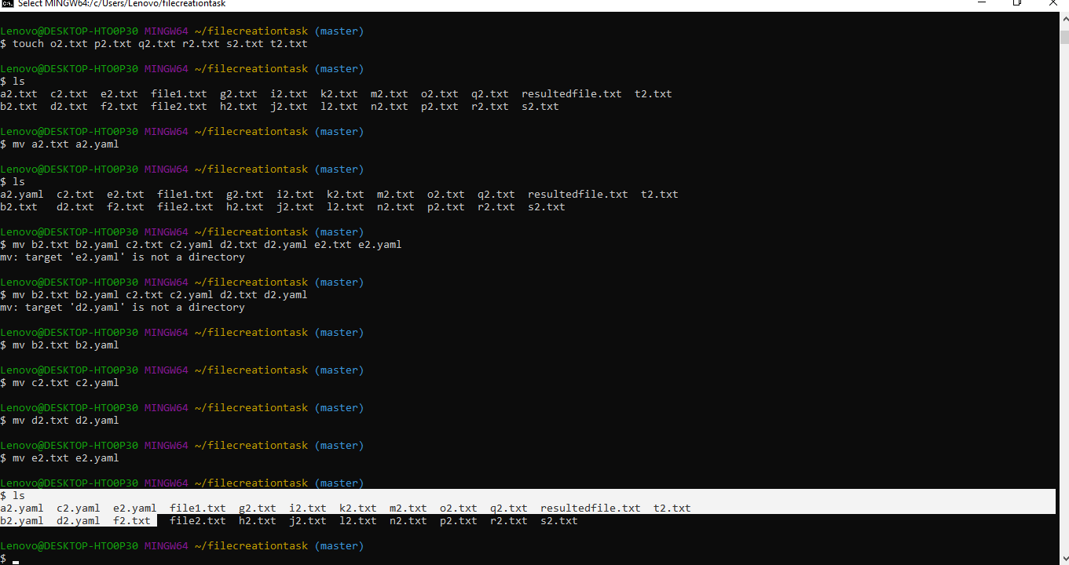

Top 5 files o/p

